SUMMARY 1
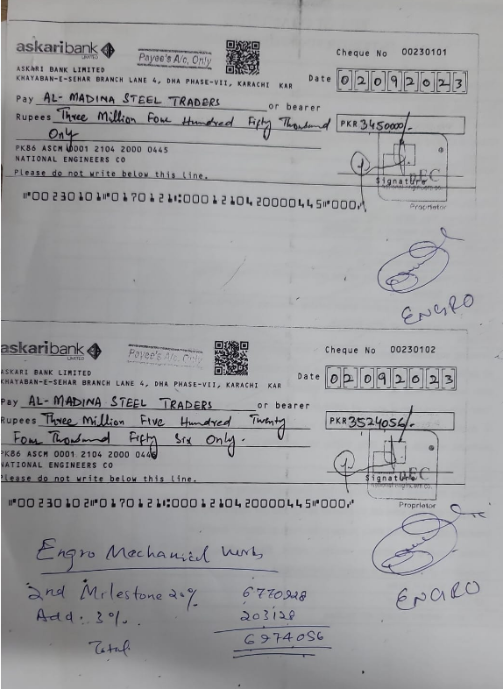
ENGRO OFFICE, 7TH FLOOR, THF, KHI
FINAL BILL
SUMMARY OF AMOUNT

S.NO | DESCRIPTION | AMOUNT
1 | HVAC | 11,352,297
2 | FIRE | 7,387,788
3 | PLUMBING | 1,053,400
4 | BMS | 1,375,300
5 | VARIATION 1 (UPVC & PPR PIPE) | 230,409
6 | VARIATION 2 (SUBMERSIBLE PUMP) | 729,600
7 | VARIATION 3 (SPRINKLERS) | 202,750
8 | VARIATION 4 (Valves) | 267,994
 | GRAND TOTAL AMOUNT (Rs.) | 22,599,538

 | Add 4.5% | 1,016,979
 | Total receivalbes | 23,616,517

 | Received | 18,508,670

 | Net receivables | 5,107,847

